Defects
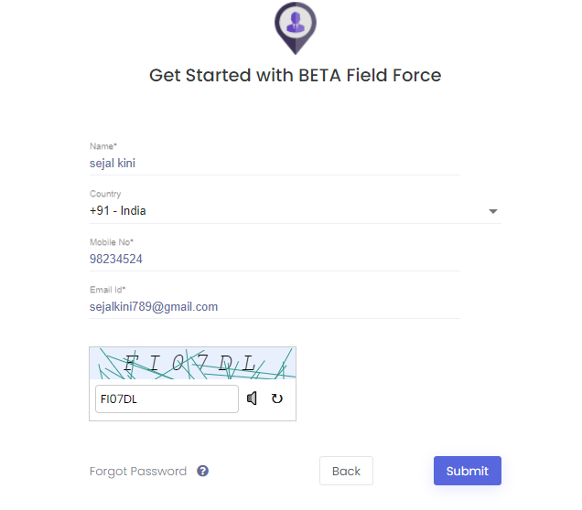
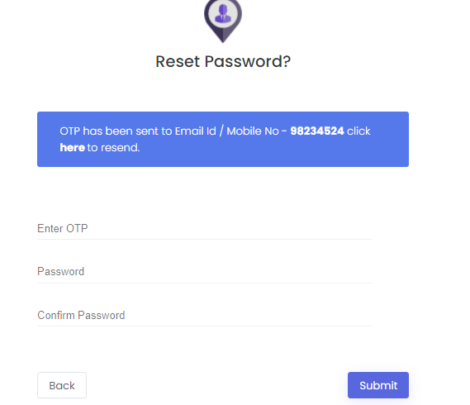
Defect Id | Defect description | Step to reproduce |  | Expected result | Actual result | Screenshot
D01 | In sign Up page mobile number field accept the wrong length of mobile number for +91 country code. | Enter Name | Sejal Kini | Website should be Display Error message as "please enter valid mobile number" | Website Did not display any error message and accept the number
 |  | Select country code | +91 - India
 |  | Enter Mobile Number | 98234524
 |  | Enter Email Id | sejalkini789@gmail.com
 |  | Enter Captcha code | FI07DL
 |  | Click on Submit Button

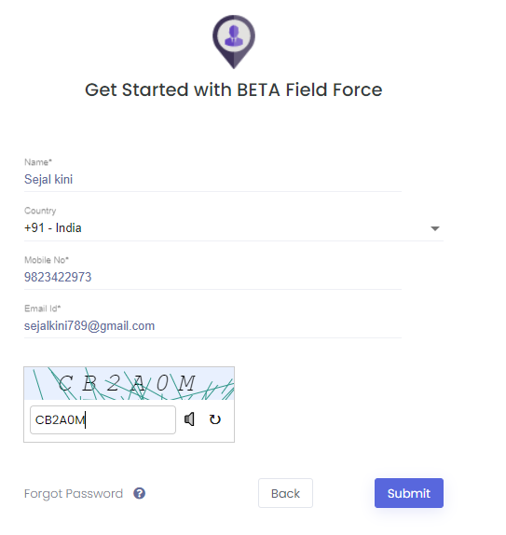
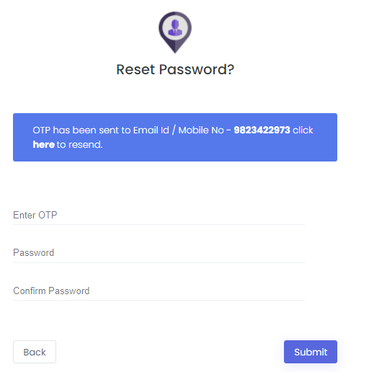
D02 | In sign up page Mobile number and Email Id fields accept the repeated entries. | Enter Name | Sejal Kini | Website should be Display Error message as "please enter valid entries" | Website Did not display any error message and accept the entries.
 |  | Select country code | +91 - India
 |  | Enter Mobile Number | 9823422974
 |  | Enter Email Id | sejalkini789@gmail.com
 |  | Enter Captcha code | CB2A0M
 |  | Click on Submit Button

